KKO
KAJIAN KELAYAKAN OPERASI

DAYA LAMA |  |  |  | DAYA BARU
Nama Pelanggan | : | PB KUD GEYER 23KVA |  | Nama Pelanggan | : | PB KUD GEYER 23KVA
Daya Lama (VA) | : | 0 |  | Daya Baru (VA) | : | 23000
Jumlah Fasa | : | 1 | * | Jumlah Fasa | : | 3
Tegangan Sekunder Pengukuran rata-rata (Fasa-Netral) (V) | : | 220 | * | Tegangan Sekunder Pengukuran rata-rata (Fasa-Netral) (V) | : | 380
Beban Pelanggan (A) | : | 0.00 |  | Beban Pelanggan (A) | : | 34.94

SUPLAI TRAFO EKSISTING |  |  |  | SUPLAI TRAFO RENCANA
Nomor Tiang | : |  |  | Nomor Tiang | : | K2-875A
Penyulang | : |  |  | Penyulang | : | KDO02
Daya | : |  | * | Daya | : | 50
Jumlah Fasa | : |  | * | Jumlah Fasa | : | 3
Beban TRAFO (Pengukuran Lapangan) |  |  |  | Beban TRAFO | : | 34.94
Beban Primer | : | 0.00 | * | Beban Primer | : | 1.44
Beban Sekunder | : | 0.00 | * | Beban Sekunder | : | 75.97
Beban (A) | : | 0.00 |  | Beban (A) | : | 0.08
Prosentase Pembebanan | : | #DIV/0! |  | Beban (A) | : | 46%
 | 46% | 100%
Prosentase Pembebanan | : | 100% |  | Beban (A) | : | 100%

DATA





DATA
Tahun | : | 2023
Discount Rate | : | 12%
Transfer price TM | : | 1,084 |  | Marginal COST maret 2022
Umur ekonomis (tahun) | : | 25.00
Selisih Susut Teknis | : | 2.25%
∑ Daya | : | 23
BP (Rp) | : | 22,287,000
RAB (Rp) | : | 88,829,210
Biaya O&M (2% invest) | : | 1,776,584.20

Nama Pelanggan | : | PB KUD GEYER 23KVA | *
Golongan Pelanggan | : | B2T | *
Jenis Layanan | : | REGULER | *
Daya Lama (kVA) | : | - | *
Daya Baru (kVA) | : | 23.00 | *
Tarif WBP (Rp/kWh) | : | 1,444.70 | *
Tarif LWBP (Rp/kWh) | : | 1,444.70 | *
BP (Rp/VA) TR | : | 969 | *
Jam Nyala | : | 40 | *

RAB
 |  | PT. PLN ( PERSERO )
 |  | UNIT INDUK DISTRIBUSI JAWA TENGAH & DI YOGYAKARTA |  |  |  |  |  |  |  |  |  |  | RAB TOTAL
 |  | UP3 DEMAK |  |  |  |  |  |  |  |  |  | RAB TOTAL | RAB NON MDU
 | RENCANA ANGGARAN BIAYA (RAB)

 |  |  |  | Pekerjaan | : | PB KUD GEYER 23KVA
 |  |  |  | Lokasi | : | DS GEYER
 |  |  |  | Pelaksana | : | PT. PLN (PERSERO) UP3 DEMAK
 |  |  |  | Anggaran | : | SAR 2023

Note !! 1. Saat Pengisian Uraian di mohon memasukan nama material sesuai dengan nama material di harga satuan
2. Mohon di cek kembali saat pengisian volume material
3. Untuk program Sarana Penunjang Fungsi tidak perlu SLO.
 | NO | URAIAN | GOL | SAT | VOL | HARGA SATUAN | BIAYA YANG DIPERLUKAN ( Rp )
 |  |  |  |  |  |  | MDU | HARDWARE | JASA | JUMLAH

 |  |  |  |  |  | 0 | 0 | 0 | 0 | 0
#REF! | I | PEMASANGAN TIANG |  |  |  | 0 | 0 | 0 | 0 | 0
 |  |  |  |  |  | 0 | 0 | 0 | 0 | 0
 |  |  |  |  |  | 0 | 0 | 0 | 0 | 0
 | II | PEMASANGAN KONSTRUKSI |  |  |  | 0 | 0 | 0 | 0 | 0 | #REF!
 | + | Trafo 3 Fasa 50 KVA 1 Tiang (G312-A) |  | Unit | 1 | 0 | 0 | 0 | 0 | 0
 | 1 | Trafo 3 phasa 50 kVA YNyn0 | MDU-KD | Bh | 1 | 42,757,200 | 42,757,200 | 0 | 0 | 42,757,200
 | 2 | Jumper Wire : |  |  |  | 0 | 0 | 0 | 0 | 0
 |  | AAAC 70 mm² | MDU-KD | Mtr | 9 | 14,200 | 127,800 | 0 | 0 | 127,800
 |  | NFA2X-T 3 x 70 + N 50 mm² |  |  | 3 | 0 | 0 | 0 | 0 | 0
 | 3 | Lightning Arester (Polymer) 21 KV, 10 KA | MDU-KD | Bh | 3 | 725,900 | 2,177,700 | 0 | 0 | 2,177,700
 | 4 | FCO Polymer | MDU-KD | Bh | 3 | 848,250 | 2,544,750 | 0 | 0 | 2,544,750
 | 5 | Fuse Link 4 A | HDW | Bh | 3 | 17,500 | 0 | 52,500 | 0 | 52,500
 | 6 | Sepatu Kabel AL/CU Ring-70 mm² | HDW | Bh | 13 | 49,000 | 0 | 637,000 | 0 | 637,000
 | 7 | Bolt Machine / Bolt cariage ½" x ¾" | HDW | Bh | 22 | 7,938 | 0 | 174,636 | 0 | 174,636
 | 8 | Bracket band segment,vertikal plat ( Hot dip galvanis ) | HDW | Bh | 1 | 404,600 | 0 | 404,600 | 0 | 404,600
 | 9 | Compresion Conector H type 70 mm² / 70 mm² | HDW | Bh | 3 | 15,900 | 0 | 47,700 | 0 | 47,700
 | 10 | Cross Arm Steel 1.500 mm ( UNSP 10 ) galvanis | HDW | Bh | 5 | 283,100 | 0 | 1,415,500 | 0 | 1,415,500
 | 11 | Cross Arm Steel 2.000 mm ( UNSP 10 ) galvanis | HDW | Bh | 4 | 380,500 | 0 | 1,522,000 | 0 | 1,522,000
 | 12 | Hot Line Clamp ( 150mm² s/d 240 mm² ) | HDW | Bh | 3 | 173,400 | 0 | 520,200 | 0 | 520,200
 | 13 | Pole Band Single Rack 7" atau 7 ½" | HDW | Bh | 1 | 57,690 | 0 | 57,690 | 0 | 57,690
 | 14 | Pole Band Double Rack 8" atau 8 ½" | HDW | Bh | 2 | 67,500 | 0 | 135,000 | 0 | 135,000
 | 15 | Steel L 70 x 70 x 7 x 780 mm galvanis | HDW | Bh | 2 | 129,000 | 0 | 258,000 | 0 | 258,000
 | 16 | Steel L 70 x 70 x 7 x 1.682 mm galvanis | HDW | Bh | 4 | 250,000 | 0 | 1,000,000 | 0 | 1,000,000
 | 17 | Upah Pasang Trafo 3 Fasa 50 KVA 1 Tiang | JASA | Unit | 1 | 1,182,800 | 0 | 0 | 1,182,800 | 1,182,800
 |  |  |  |  |  | 0 | 0 | 0 | 0 | 0
 | + | CJ6-T |  | Unit | 2 | 0 | 0 | 0 | 0 | 0
 | 1 | Dead End Assembly | HDW | Bh | 2 | 78,500 | 0 | 157,000 | 0 | 157,000
 | 2 | Plastic Strap for Clamping | HDW | Bh | 2 | 4,212 | 0 | 8,424 | 0 | 8,424
 | 3 | Stainless Steel Strap 20 x 0.7 mm | HDW | Mtr | 2 | 23,310 | 0 | 46,620 | 0 | 46,620
 | 4 | Stopping Buckle / Yokes | HDW | Bh | 2 | 2,300 | 0 | 4,600 | 0 | 4,600
 | 5 | Upah Pasang Konst. JTR J6-T | JASA | Unit | 2 | 35,700 | 0 | 0 | 71,400 | 71,400 | #REF!
 |  |  |  |  |  | 0 | 0 | 0 | 0 | 0
 | + | CJ5-T |  | Unit | 2 | 0 | 0 | 0 | 0 | 0
 | 1 | Plastic Strap for Clamping | HDW | Bh | 2 | 4,212 | 0 | 8,424 | 0 | 8,424
 | 2 | Stainless Steel Strap 20 x 0.7 mm | HDW | Mtr | 2 | 23,310 | 0 | 46,620 | 0 | 46,620
 | 3 | Stopping Buckle / Yokes | HDW | Bh | 2 | 2,300 | 0 | 4,600 | 0 | 4,600
 | 4 | Suspension / Small Angle Assembly | HDW | Bh | 2 | 71,000 | 0 | 142,000 | 0 | 142,000
 | 5 | Upah Pasang Konst. JTR J5-T | JASA | Unit | 2 | 29,400 | 0 | 0 | 58,800 | 58,800
 |  |  |  |  |  | 0 | 0 | 0 | 0 | 0
 | + | CM2-12 |  | Unit | 2 | 0 | 0 | 0 | 0 | 0
 | 1 | Bimetalic Connector 35 - 240 mm² | HDW | Bh | 2 | 47,459 | 0 | 94,918 | 0 | 94,918
 | 2 | Ground wire Cu 16 mm² | HDW | Mtr | 1.6 | 30,000 | 0 | 48,000 | 0 | 48,000
 | 3 | Ground rod & Washer | HDW | Bh | 2 | 9,500 | 0 | 19,000 | 0 | 19,000
 | 4 | Upah Pasang Acc.Jar M2-12 | JASA | Unit | 2 | 16,200 | 0 | 0 | 32,400 | 32,400
 |  |  |  |  |  | 0 | 0 | 0 | 0 | 0
 | + | CM2-12A |  | Unit | 1 | 0 | 0 | 0 | 0 | 0
 | 1 | Bimetalic Connector 35 - 240 mm² | HDW | Bh | 1 | 47,459 | 0 | 47,459 | 0 | 47,459
 | 2 | Ground wire Cu 16 mm² | HDW | Mtr | 1 | 30,000 | 0 | 30,000 | 0 | 30,000
 | 3 | Ground rod & Washer | HDW | Bh | 1 | 9,500 | 0 | 9,500 | 0 | 9,500
 | 4 | Upah Pasang Acc.Jar M2-12A | JASA | Unit | 1 | 21,200 | 0 | 0 | 21,200 | 21,200
 |  |  |  |  |  | 0 | 0 | 0 | 0 | 0
 | + | CE1-2 |  | Unit | 1 | 0 | 0 | 0 | 0 | 0
 | 1 | Bolt Machine ⅝" x 10" | HDW | Bh | 1 | 26,500 | 0 | 26,500 | 0 | 26,500
 | 2 | Guy Attachment / Guy hok | HDW | Bh | 1 | 12,500 | 0 | 12,500 | 0 | 12,500
 | 3 | Guy Wire 35 mm² | HDW | Mtr | 12 | 24,300 | 0 | 291,600 | 0 | 291,600
 | 4 | Three Bolt Clamp | HDW | Bh | 2 | 40,000 | 0 | 80,000 | 0 | 80,000
 | 5 | Washer Square 2 ¼" | HDW | Bh | 1 | 2,500 | 0 | 2,500 | 0 | 2,500
 | 6 | Upah Pasang Acc.Jar E1-2 | JASA | Unit | 1 | 43,500 | 0 | 0 | 43,500 | 43,500
 |  |  |  |  |  | 0 | 0 | 0 | 0 | 0
 | + | F1-2 |  | Unit | 1 | 0 | 0 | 0 | 0 | 0
 | 1 | Rod Anchor ⅝" x 7' | HDW | Bh | 1 | 104,200 | 0 | 104,200 | 0 | 104,200
 | 2 | Expanding Anchor 8.000 lbs | HDW | Bh | 1 | 120,000 | 0 | 120,000 | 0 | 120,000
 | 4 | Kousen | HDW | Bh | 1 | 4,500 | 0 | 4,500 | 0 | 4,500
 | 3 | Upah Pasang Acc.Jar F1-2 | JASA | Unit | 1 | 55,500 | 0 | 0 | 55,500 | 55,500
 |  |  |  |  |  | 0 | 0 | 0 | 0 | 0
 | + | CM2-11M |  | Unit | 2 | 0 | 0 | 0 | 0 | 0
 | 1 | Ground rod ⅝" x 8" Copper Weld | HDW | Bh | 2 | 185,200 | 0 | 370,400 | 0 | 370,400
 | 2 | Bimetalic Connector 35 - 240 mm² | HDW | Bh | 2 | 47,459 | 0 | 94,918 | 0 | 94,918
 | 3 | Clamp Ground Rod ⅝" | HDW | Bh | 2 | 4,880 | 0 | 9,760 | 0 | 9,760
 | 4 | Ground wire Cu 16 mm² | HDW | Mtr | 20 | 30,000 | 0 | 600,000 | 0 | 600,000
 | 5 | Ground rod & Washer | HDW | Bh | 4 | 9,500 | 0 | 38,000 | 0 | 38,000
 | 6 | Pipa PVC ½" | HDW | Bh | 11 | 6,100 | 0 | 67,100 | 0 | 67,100
 | 7 | Stopping Buckle / Yokes | HDW | Bh | 12 | 2,300 | 0 | 27,600 | 0 | 27,600
 | 8 | Stainless Steel Strap 20 X 0.7 mm | HDW | Mtr | 9.6 | 23,310 | 0 | 223,776 | 0 | 223,776
 | 9 | Upah Pasang Acc.Jar M2-11M | JASA | Unit | 2 | 65,400 | 0 | 0 | 130,800 | 130,800
 |  |  |  |  |  | 0 | 0 | 0 | 0 | 0 | #REF!
 | III | PEKERJAAN PEMASANGAN KONDUKTOR |  |  |  | 0 | 0 | 0 | 0 | 0
 | 1 | NFA2X-T 3x70+1x70 | MDU-KD | Mtr | 180 | 54,500 | 9,810,000 | 0 | 0 | 9,810,000 | #REF!
 | 2 | Upah Pasang Penghantar TR LVTC 3x70 + 1x50mm² | JASA | Per 50 m | 3.6 | 223,500 | 0 | 0 | 804,600 | 804,600
 |  |  |  |  |  | 0 | 0 | 0 | 0 | 0 | #REF!
 | IV | PEMASANGAN APP |  |  |  | 0 | 0 | 0 | 0 | 0
 | + | Daya 23.000 VA |  | Unit | 1 | 0 | 0 | 0 | 0 | 0
 | 1 | KWH Elektronik; 3P; 4W; 220/380V; 5(80) A; kls 1 (Pengukuran Langsung) | MDU-KD | Bh | 1 | 1,427,400 | 1,427,400 | 0 | 0 | 1,427,400
 | 2 | Smart Box Langsung Daya 23 kVA MCCB 35 A | MDU-KD | Unit | 1 | 3,564,900 | 3,564,900 | 0 | 0 | 3,564,900
 | 3 | Modem 3G/4G | HDW | Unit | 1 | 1,113,900 | 0 | 1,113,900 | 0 | 1,113,900
 | 4 | NFA2X-T 3x70+1x70 | MDU-KD | Mtr | 50 | 54,500 | 2,725,000 | 0 | 0 | 2,725,000
 | 5 | Upah Pasang SR + APP 3 Fasa | JASA | Unit | 1 | 106,400 | 0 | 0 | 106,400 | 106,400
 |  |  |  |  |  | 0 | 0 | 0 | 0 | 0
 | + | CM2-11 |  | Unit | 1 | 0 | 0 | 0 | 0 | 0
 | 1 | Ground rod ⅝" x 8" Copper Weld | HDW | Bh | 1 | 185,200 | 0 | 185,200 | 0 | 185,200
 | 2 | Bimetalic Connector 35 - 240 mm² | HDW | Bh | 1 | 47,459 | 0 | 47,459 | 0 | 47,459
 | 3 | Ground wire Cu 16 mm² | HDW | Mtr | 1.5 | 30,000 | 0 | 45,000 | 0 | 45,000
 | 4 | Ground rod & Washer | HDW | Bh | 2 | 9,500 | 0 | 19,000 | 0 | 19,000
 | 5 | Upah Pasang Acc.Jar M2-11 | JASA | Unit | 1 | 56,400 | 0 | 0 | 56,400 | 56,400
 |  |  |  |  |  | 0 | 0 | 0 | 0 | 0
 | V | UPAH BONGKAR |  | 0 |  | 0 | 0 | 0 | 0 | 0
 |  |  |  |  |  | 0 | 0 | 0 | 0 | 0
 |  |  |  |  |  | 0 | 0 | 0 | 0 | 0 | #REF!
 |  | SLO |  |  |  | 0 | 0 | 0 | 0 | 0 | #REF!
 | 1 | Sertifikasi Laik Operasi | JASA | Lot | 1 | 2.5% | 1,628,369 | 259,398 | 64,095 | 1,951,861
 |  |  |  |  |  |  | 0 | 0 | 0 | 0

 |  | Jumlah MDU - Hardware - Jasa |  |  |  | : | 66,763,119 | 10,635,302 | 2,627,895 | 80,026,315
 |  | PPN 11% |  |  |  | : | 7,343,943 | 1,169,883 | 289,068 | 8,802,895
 |  | Jumlah Total |  |  |  | : | 74,107,062 | 11,805,185 | 2,916,963 | 88,829,210 | 201,265,205
 | Terbilang : Delapan Puluh Delapan Juta Delapan Ratus Dua Puluh Sembilan Ribu Dua Ratus Sepuluh Rupiah

 | Harga yang dipakai adalah RAB HSS 2023

 |  |  |  |  |  |  |  | Demak, 30Agustus 2023
 |  |  |  |  |  |  |  | ASMAN PERENCANAAN

 |  |  |  |  |  |  |  | VALENTHINA EKA SABTI WONOHUSODO

GAMBAR
 | PT. PLN (PERSERO) UP3 DEMAK

1 CJ6-T
1 C9-200
1 CM2-12
1 CM2-12A
1 F1-2
1 CE1-2
-7.218670, 110.903637 | Keterangan Gambar :
 | No | Nama Material |  |  | Baru |  | Eksisting
 | 1 | Tiang Beton
1 CJ5-T
1 C9-200
1 CM2-12
 | 2 | Tiang Besi
3 Ph 50 kVA
 | 3 | JTM 3 Fasa
 | 4 | JTM 1 Fasa
60M
 | 5 | JTR 1 Fasa Only / UB
60M
60M
 | 6 | JTR 3 Fasa Only / UB
K2-875A
1 C12-200E
1 CC1
1 CJ5
1 G312-A 50KVA
2 CM2-11M
1 CJ6-T
1 C12-200E
1 CA2
1 CJ5
1 CJ5-T
 | 7 | Trafo 1 Fasa
 | 8 | Trafo 3 Fasa
s
s
 | 9 | Fuse Cut Out
 | 10 | ABSW
 | 11 | Vang Net
APP 3P 23KVA
LVTC 3X35+35MM = 50 M
1 CM2-11
 | 12 | Schoor
 | 13
s
s
 | Bongkar Pasang Konstruksi :
 | Pasang |  |  |  | Bongkar
 | CM2-11M |  | UNIT | 2
 | G312-A 50 KVA |  | UNIT | 1
 | SR APP 23 KVA |  | UNIT | 1
 | CJ6-T |  | UNIT | 2
 | CJ5-T |  | UNIT | 2
 | CM2-12 |  | UNIT | 2
 | CM2-11M |  | UNIT | 2
 | CM2-12A |  | UNIT | 1
 | C9-200 |  | BTG | 2
 | CE1-2 |  | UNIT | 1
 | F1-2 |  | UNIT | 1

 | Keterangan Tambahan :

 | Golongan
 | No. Gambar |  | 1 |  |  | Lembar |  | dr
 | Gambar dari |  |  |  |  | Skala
 | Perihal:
 | PB KUD GEYER 7,7KVA

 | Digambar |  | Spv. Rensis
 | Diperiksa |  | Man. Perencanaan
 | Diketahui |  | Man. Perencanaan
 | Disetujui |  | Manager

1 CG 313-A
1 C12-350E
1 CC7
3 CM2-11M
1 CM2-12
1 CM2-12A
1 F1-2
1 CE1-2

RUMAH SAKIT TRIMEDIKA
35
35
JL.PURWODADI-SUKOLILO-PATI

K2-541 B
1 C12-350E
1 CC1-A
1 CM2-12
1 CJ6-T
K2-541 A
1 C12-350E
1 CC8-AN
1 CM2-12
1 F1-2
1 CE1-2
K2-541
1 C12-350E
1 CC1
1 CC7
2 CM5-5
3 Ph 160 kVA

Peta lokasi
PETA LOKASI

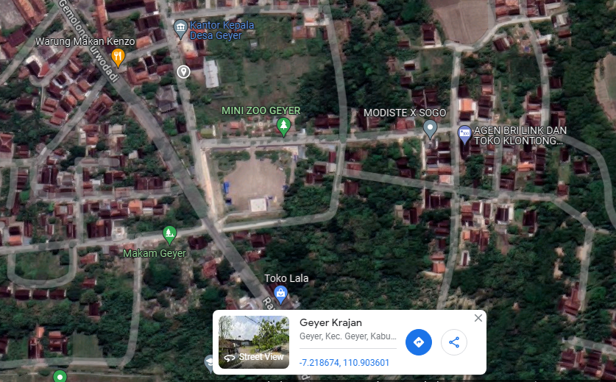

LOKASI

SLD
SINGLE LINE DIAGRAM LOKASI

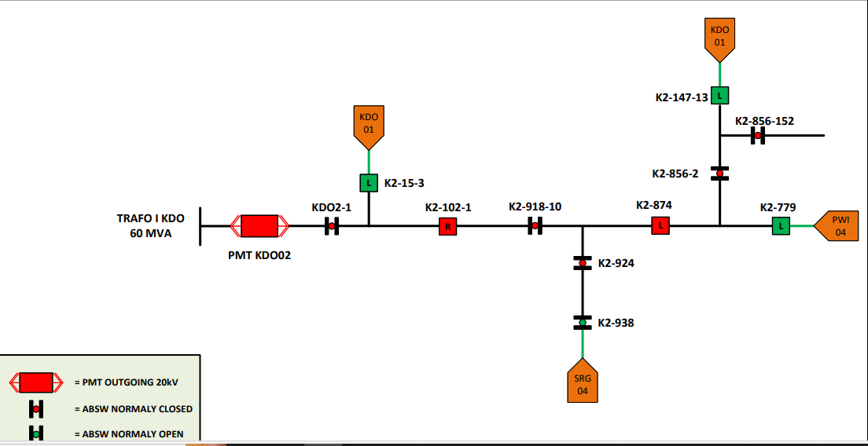

lokasi

